Instructions
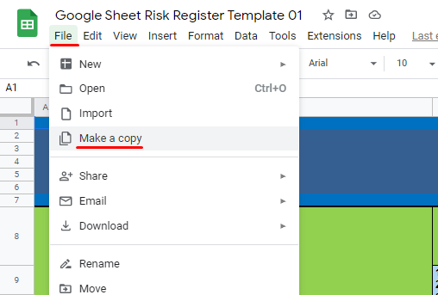
INSTRUCTIONS ON HOW TO COPY THIS TEMPLATE
PLEASE NAVIGATE TO FILE THEN CLICK ON MAKE A COPY (SEE ATTACHED IMAGE BELOW)

Guidance
Risk Register Notes and Instructions
1. Risk Register: A risk register is a risk management tool that can assist in creating a repository of potential risks that could affect the organization and its operations. It describes the nature and severity of each risk, possible mitigation measures and risk "owners." While the risk register can be a helpful compliance tool, its purpose is best fulfilled when used alongside other risk management frameworks, tools, organizational cultural risk awareness, stakeholder buy-in and accountability. This tool was created by taking and adapting some of the toolkits that a number of the INGOs in this study use as part of their risk management practice.

2. Customization: This risk register is customizable and should be adapted to the organization's needs. The menu options are examples and can be modified. To modify an item, change the list menu options in the relevant columns under the " List Commands" tab (once the document is finalized, it is strongly recommended that you "hide" this tab and protect the document from accidental deletions). Second, go back to the Risk Register tab and select the menu that you want to update. Go to the "Data" menu and select the "Validate" function. Under "Source" select the range of cells under the "List Command" tab that you want to have included in your new menu and then click "ok". Your menu should now show your changes. You can find out more about password protecting a document and protecting information from changes on the Office site. See, https://support.office.com/en-us/article/Password-protect-a-workbook-7E365A4D-3E89-4616-84CA-1931257C1517. To learn how to hide tabs, see graphic below from, source:

accountingweb.
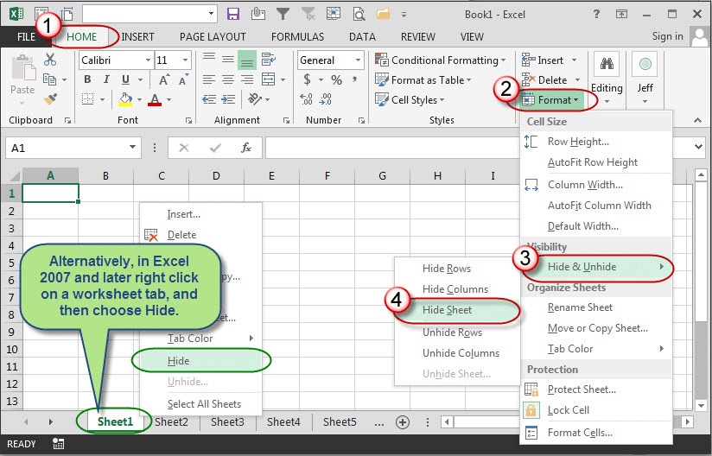

3. Risk ratings and program criticality: Risk rating means assigning numbers to the likelihood and potential impact of risks in order to more systematically and objectively assess and compare them. The tables below are drawn from NGOs and the UN to give examples of how an organization might assign the numbers from 1 (low) to 5 (very high). The Risk Register template on tab 2 allows the user to rate each risk, before and after mitigation measures are applied. The risk rating that results after all possible mitigation measures are factored in is called the "residual risk". The template then prompts the user to score the "program criticality" of the activity in question as a factor in determining whether the residual risk is acceptable. This is for use when organizations may have determined that higher risk levels will be accepted for critical (e.g. life-saving) programs.

Likelihood |  |  |  | Impact
 |  |  |  | Risk Rating | Operational | Financial | Reputational | Staff | Culture | Other (as required)
Rating | Likelihood | Frequency | Timeline |  | Fill in the operational impact that each risk level would have on the organization. | Fill in the montary loss for each risk level. | Fill in the reputational impact/consequences that every risk level would have on the organization. | Fill in the impact/consequences that every risk level would have on staff. | Fill in the impact/consequences that every risk level would have on the organization's cultural environment.
5 | Almost Certain | Frequent occurance | Could occur within days to weeks | 5 |  | Direct loss of $K-$K |  | Example: Multiple fatalities or total disability from work related accidents or occupational illness.
4 | Very Likely | Could occur | Could occur within weeks to months | 4 |  | Direct loss of $K-$K |  |  | Example: Employees question organizational policy/motives/management. Many resign.
3 | Possible/Likely | Has occurred in the past, could occur again. | Could occur within a year or so | 3 |  | Direct loss of $K-$K | Example: Considerable national impact due to significant negative media/public attention.
2 | Moderately Likely | Has not occurred yet, but could | Could occur after several years | 2 |  | Example: Direct loss of 10$K-$15K
1 | Rare/Unlikely | Conceivable but only in extreme circumstances. | A 100-year event | 1 | Example: Minimal operational impact. Ability to achieve outcomes unaffected. Short term delays but not recovery required. | Direct loss below $K

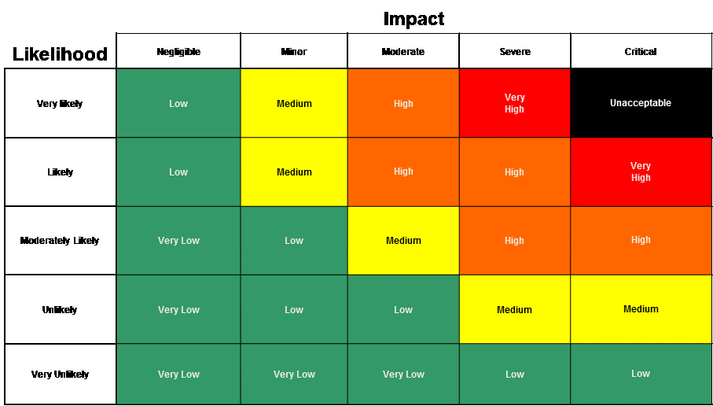

 |  |  |  |  |  | UN Security Risk Matrix

 |  |  |  |  |  | Impact | Staff | Equipment / facilities | Activities
 |  |  |  |  |  | Critical | Death and severe injury | Major loss | Cancellation
 |  |  |  |  |  | Severe | Severe injury | Significant loss | Major delays
 |  |  |  |  |  |  |  |  | Possible cancellation
 |  |  |  |  |  | Moderate | Injury | Some loss | Delays
 |  |  |  |  |  | Minor | Minor injuries | Possible damage, some loss | Limited delays
 |  |  |  |  |  | Negligible | Nil | Nil | Minor disruption

